Sheet1
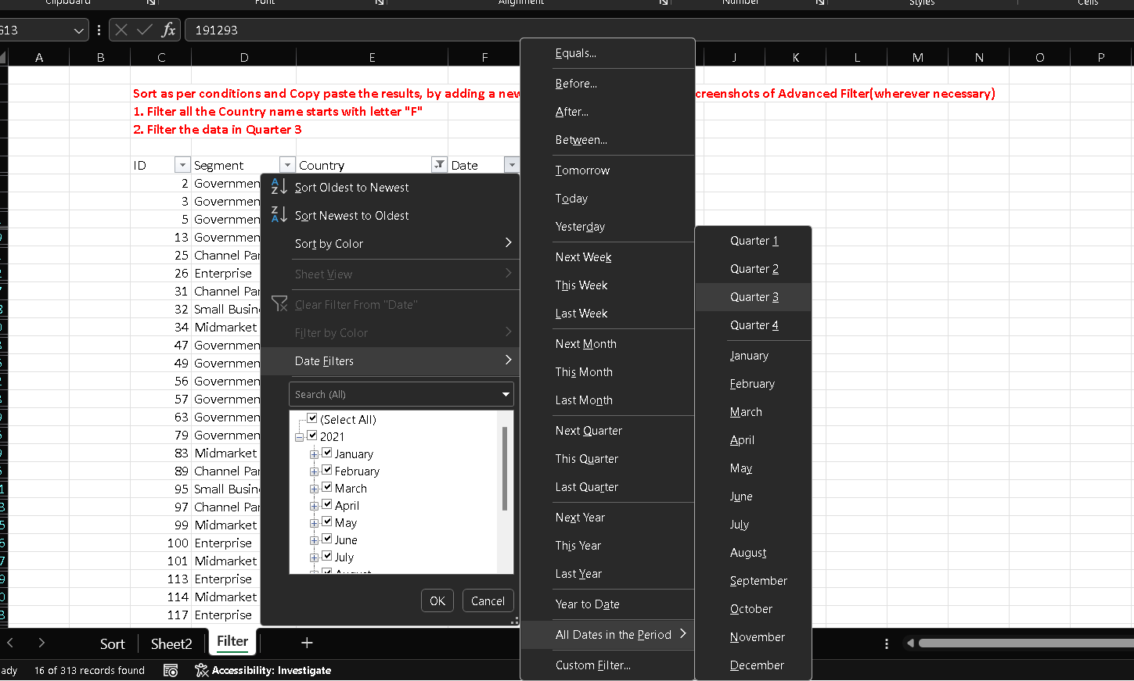
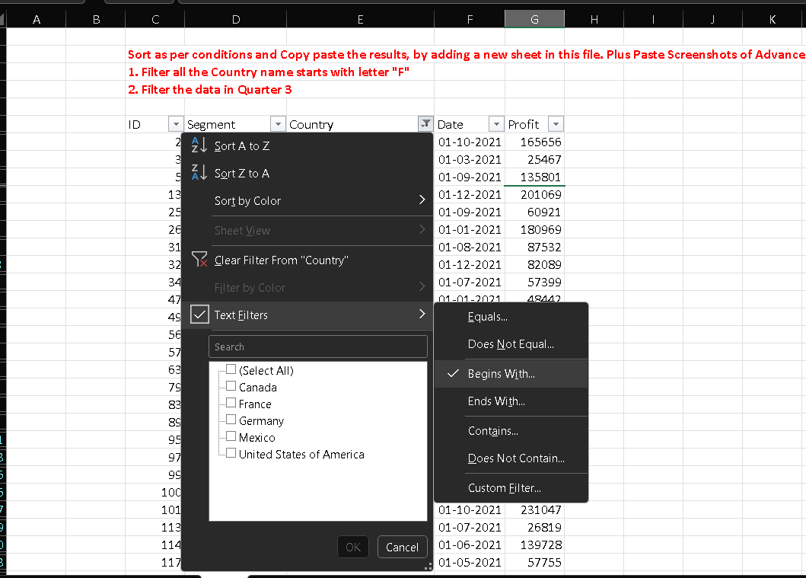

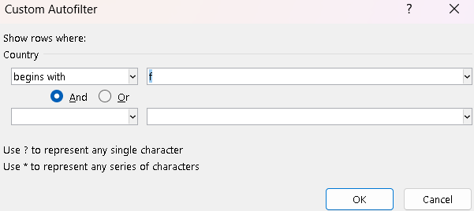
ID | Segment | Country | Date | Profit
5 | Government | France | 2021-09-01 | 135801
25 | Channel Partners | France | 2021-09-01 | 60921
31 | Channel Partners | France | 2021-08-01 | 87532
34 | Midmarket | France | 2021-07-01 | 57399
57 | Government | France | 2021-07-01 | 96209
99 | Midmarket | France | 2021-09-01 | 147727
100 | Enterprise | France | 2021-08-01 | 109849
113 | Enterprise | France | 2021-07-01 | 26819
138 | Government | France | 2021-07-01 | 44394
151 | Government | France | 2021-07-01 | 173616
168 | Small Business | France | 2021-07-01 | 185869
207 | Channel Partners | France | 2021-09-01 | 258051
248 | Government | France | 2021-07-01 | 89802
249 | Government | France | 2021-08-01 | 23250
257 | Government | France | 2021-08-01 | 7382
311 | Midmarket | France | 2021-07-01 | 176652

